Sheet1
Brine
 |  |  |  |  |  | Approx. TDS (ppm == mg/L)
Ωm | S/m | mS/m | µS/m | dS/m == mS/cm | µS/cm | TDS by x550 | TDS by x900 | Irrigation salinity | Drinking water | Material
0.01 | 100 | 100,000 | 100,000,000 | 1,000 | 1,000,000 | 550,000 | 900,000
0.02 | 50 | 50,000 | 50,000,000 | 500 | 500,000 | 275,000 | 450,000
0.05 | 20 | 20,000 | 20,000,000 | 200 | 200,000 | 110,000 | 180,000
Saline
0.1 | 10 | 10,000 | 10,000,000 | 100 | 100,000 | 55,000 | 90,000
0.2 | 5 | 5,000 | 5,000,000 | 50 | 50,000 | 27,500 | 45,000 |  |  | Seawater (35 g/L)
Brackish
0.5 | 2 | 2,000 | 2,000,000 | 20 | 20,000 | 11,000 | 18,000 | extreme | Sheep max 6-15+ g/L
1 | 1 | 1,000 | 1,000,000 | 10 | 10,000 | 5,500 | 9,000 | very high | Cattle max 4-10 g/L | Clays
2 | 0.5 | 500 | 500,000 | 5 | 5,000 | 2,750 | 4,500 | high | Human max 3 g/L | Clays
5 | 0.2 | 200 | 200,000 | 2 | 2,000 | 1,100 | 1,800 | medium |  | Saturated sands
Fresh
10 | 0.1 | 100 | 100,000 | 1 | 1,000 | 550 | 900 | low | Humans <800 mg/L | Saturated sands
20 | 0.05 | 50 | 50,000 | 0.5 | 500 | 275 | 450 | very low |  | Sedimentary rocks
50 | 0.02 | 20 | 20,000 | 0.2 | 200 | 110 | 180 |  |  | Sedimentary rocks
100 | 0.01 | 10 | 10,000 | 0.1 | 100 | 55 | 90 |  |  | Fractured sed. rocks
200 | 0.005 | 5 | 5,000 | 0.05 | 50 | 28 | 45 |  |  | Ig/met rocks
1,000 | 0.001 | 1 | 1,000 | 0.01 | 10 | 6 | 9
5,000 | 0.0002 | 0.2 | 200 | 0.002 | 2 | 1 | 2 |  |  | Distilled water
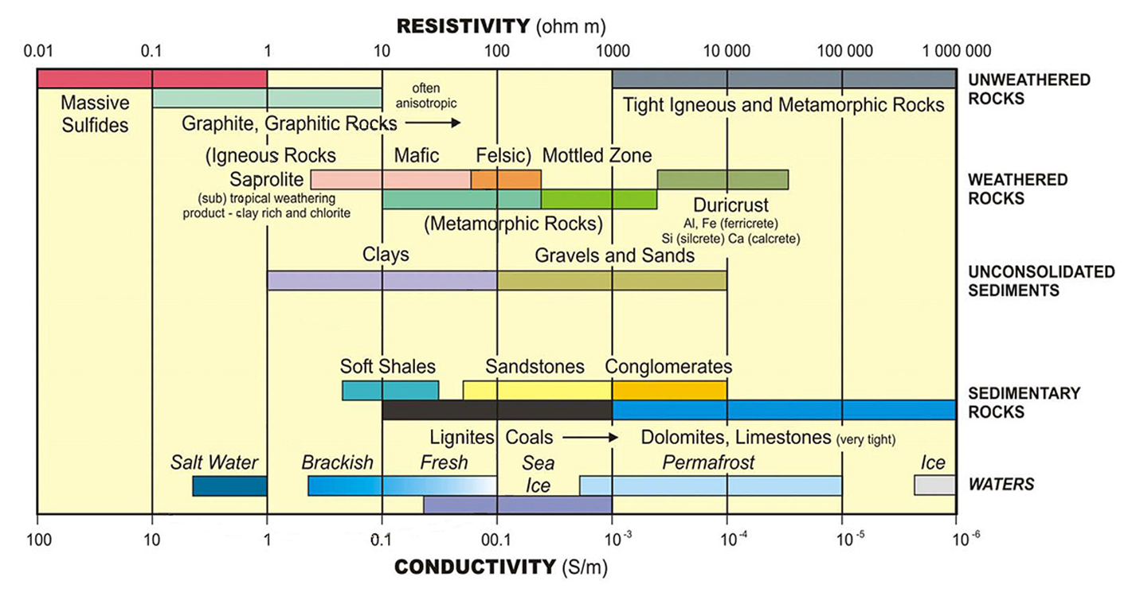

From Tim Munday - CSIRO

